Sheet1
MEN'S & BOYS BASS PRO HOODIES
FOB Etobicoke,ON.

Solid colour per case
SIZING: Varies - (as noted with items below)
APPAREL CASE PACKS - Varies (as noted with each item below)
(all subject to final count at time of sale - subject to prior sale)
individually poly bagged

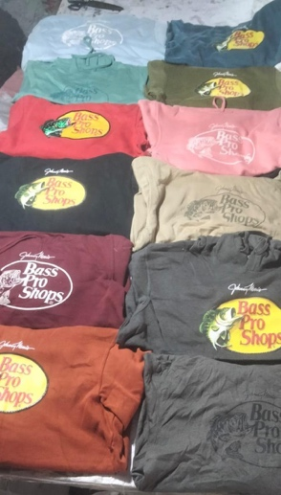
IMAGE | DESCRIPTION | COLOUR | 2T | 3T | 4T | XS | SMALL | MEDIUM | LARGE | XL | PCS PER CTN | CTN | TOTAL | PRICE
 | BOY'S BASS PRO HOODIES | PINK | 1 | 1 | 4 | 4 | 4 | 2 | 3 | 6 | 25 | 14 | 350
 |  | - | 4 | 4 | 5 | 2 | 5 | 1 | 3 | 1 | 25 | 2 | 50
 |  | - | 2 | 15 | - | - | 1 | - | - | - | 18 | 1 | 18
 |  | CAMO | 1 | 1 | 2 | 1 | 3 | 3 | 7 | 7 | 25 | 9 | 225
 |  | - | 2 | 7 | 5 | - | 7 | - | - | 4 | 25 | 1 | 25
 |  | - | 2 | 6 | 5 | 1 | 6 | - | 1 | 5 | 26 | 1 | 26
 |  | BLACK | 1 | 1 | 1 | 1 | 5 | 6 | 5 | 5 | 25 | 5 | 125
 |  | - | 1 | 3 | 1 | 1 | 5 | 5 | 3 | 6 | 25 | 4 | 100
 |  | GREEN | 3 | 2 | 2 | 2 | 3 | 5 | 4 | 4 | 25 | 6 | 150
 |  | - | 8 | 7 | 4 |  |  | 5 | 1 | 5 | 30 | 1 | 30
 |  | PURPLE | 1 | 1 | 3 | 5 | 4 | 3 | 4 | 4 | 25 | 7 | 175
 |  | - | 7 | 3 |  | 3 | 3 | 1 | 3 | 5 | 25 | 1 | 25
 |  | BLUE | 1 | 1 | 3 | 1 | 3 | 3 | 8 | 5 | 25 | 8 | 200
 |  | - |  |  | 3 |  | 2 | 3 | 8 | 9 | 25 | 2 | 50
 |  | CHARCOAL |  | 12 | 11 | 1 | 3 |  | 2 | 2 | 31 | 1 | 31
 |  | - | 1 | 12 | 12 |  | 2 | 1 | 2 | 1 | 31 | 1 | 31
 |  | NAVY | 4 | 9 | 2 | 4 |  |  | 8 | 1 | 28 | 1 | 28
 |  | MIX |  | 10 |  | 3 |  | 2 | 2 | 1 | 18 | 1 | 18
 |  | - | 3 | 5 | 6 | 5 | 3 | 3 |  | 6 | 31 | 1 | 31
 |  |  |  |  |  |  |  |  |  |  |  | 67 | 1688 | $7.25

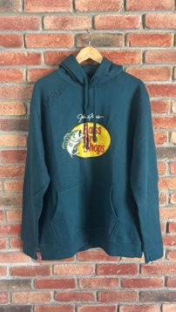
IMAGE | DESCRIPTION | COLOUR | XSMALL | SMALL | MEDIUM | LARGE | XL | XXL | 3XL | PCS PER CTN | CTN | TOTAL | PRICE
 | MEN'S BASS PRO HOODIES | BLACK | 2 | 2 | 4 | 5 | 5 | 4 | 3 | 25 | 51 | 1000
 |  |  |  | 1 | 4 | 6 | 8 | 2 | 4 | 25 | 11 | 275
 |  |  |  |  | 10 | 4 | 10 | 3 |  | 27 | 1 | 0
 |  | CHARCOAL | 2 | 2 | 6 | 5 | 5 | 2 | 3 | 25 | 43 | 1075
 |  |  |  |  | 2 | 11 | 7 | 3 | 2 | 25 | 11 | 275
 |  | CREAM | 2 | 3 | 3 | 5 | 5 | 4 | 3 | 25 | 46 | 1150
 |  |  | 1 | 4 | 4 | 4 | 1 | 1 | 3 | 18 | 19 | 342
 |  |  |  | 1 | 5 | 6 |  | 5 | 3 | 20 | 4 | 80
 |  | PURPLE | 2 | 4 | 4 | 6 | 5 | 3 | 1 | 25 | 36 | 900
 |  |  | 1 | 9 | 5 | 4 |  | 2 | 4 | 25 | 6 | 150
 |  |  | 2 | 16 |  | 2 |  |  | 3 | 23 | 1 | 23
 |  | MAROON | 1 | 2 | 4 | 7 | 4 | 5 | 2 | 25 | 31 | 775
 |  |  | 3 | 6 |  |  | 7 | 3 | 6 | 25 | 5 | 125
 |  |  | 3 | 3 | 3 | 1 | 7 | 2 | 6 | 25 | 1 | 25
 |  | LT.GREEN | 3 | 3 | 4 | 4 | 5 | 3 | 3 | 25 | 16 | 400
 |  |  | 5 | 4 | 3 | 3 | 8 | 2 |  | 25 | 5 | 125
 |  |  |  |  |  |  |  | 25 |  | 25 | 1 | 25
 |  | FOREST GREEN | 1 | 2 | 4 | 5 | 9 | 3 | 1 | 25 | 18 | 450
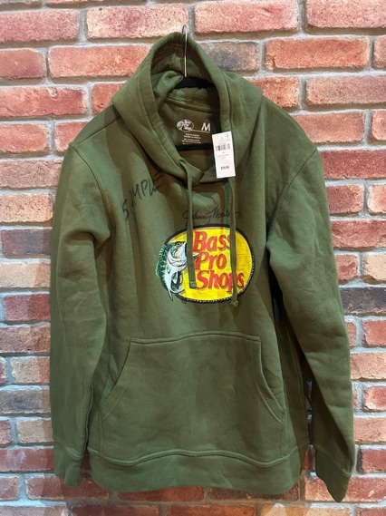
 |  |  | 1 | 2 | 6 | 5 | 1 | 8 | 2 | 25 | 6 | 150
 |  |  | 1 |  | 12 | 4 |  | 1 | 2 | 20 | 4 | 80
 |  | DK.GREEN | 1 | 4 | 6 | 6 | 4 | 2 | 2 | 25 | 4 | 100
 |  |  |  | 3 | 1 | 9 | 5 | 4 | 3 | 25 | 3 | 75
 |  |  |  | 2 | 4 | 7 | 5 | 2 | 2 | 22 | 4 | 88
 |  | MUSTARD | 1 | 2 | 4 | 4 | 7 | 5 | 2 | 25 | 7 | 175
 |  |  | 1 | 3 |  | 1 | 7 | 3 | 3 | 18 | 1 | 18
 |  | WHITE | 2 | 2 | 8 | 8 | 3 | 1 | 1 | 25 | 4 | 100
 |  |  |  | 3 | 4 | 4 | 5 | 5 | 4 | 25 | 6 | 150
 |  |  |  |  | 7 |  | 1 | 8 | 2 | 18 | 1 | 18
 |  | ORANGE | 3 | 3 | 3 | 4 | 9 | 2 | 1 | 25 | 2 | 50
 |  |  | 6 | 1 | 2 | 4 | 2 | 2 |  | 17 | 1 | 17
 |  | PINK | 4 | 7 | 8 | 4 |  |  |  | 23 | 1 | 23
 |  | DK.PURPLE | 1 | 7 | 6 | 3 | 2 | 3 | 3 | 25 | 1 | 25
 |  | BROWN |  | 3 | 4 | 3 | 4 | 4 | 1 | 19 | 3 | 57
 |  | MIX | 3 | 1 | 2 | 2 | 3 | 5 | 4 | 20 | 2 | 40
 |  |  | 1 |  | 3 | 4 | 3 | 4 | 3 | 18 | 1 | 18
 |  |  |  |  |  |  |  |  |  |  | 357 | 8379 | $9.85

